alpha and h relation
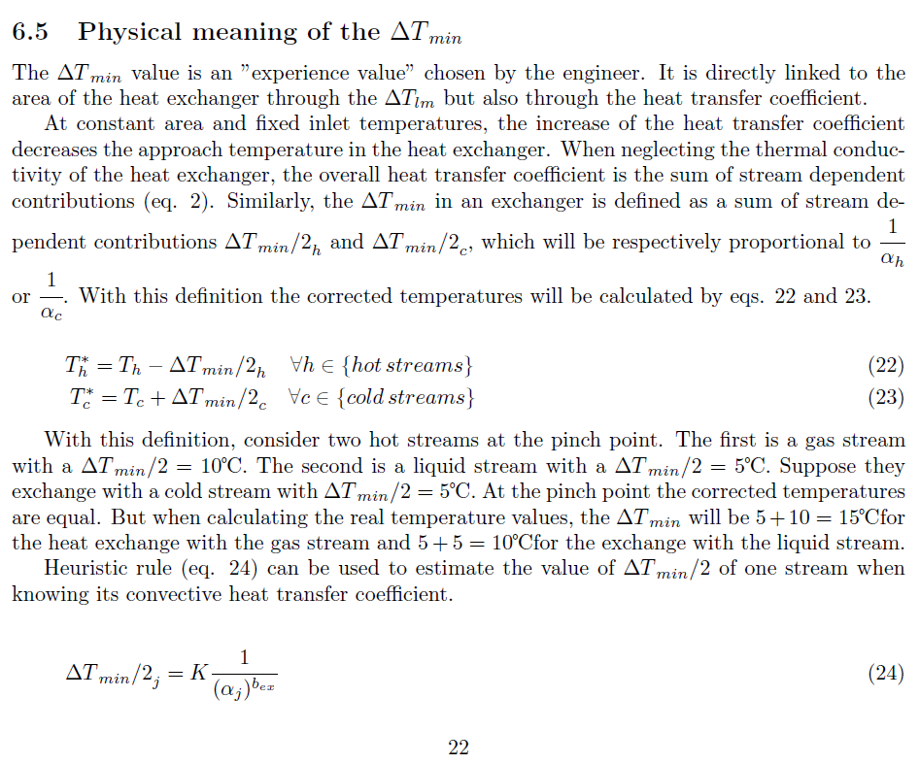
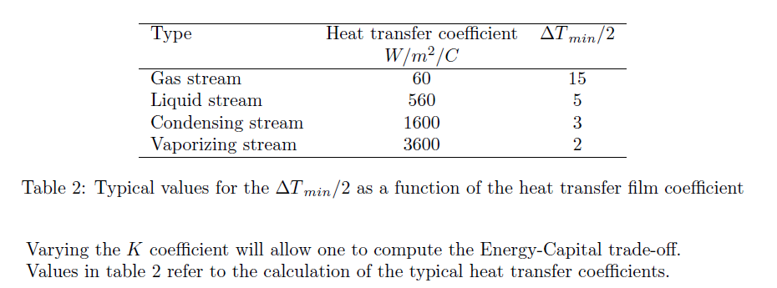
 | bex | 0.49134684922
 | K | 112.14218171
h (W/m2K) | DTmin/2 (K) | DTmin/2 (K)
60 | 15 | 14.9996 | 1.5157682437E-07
560 | 5 | 5.0056 | 3.1273685983E-05
1600 | 3 | 2.9884 | 0.00013519687285
min
3600 | 2 | 2.0063 | 3.9405250317E-05
 |  |  | 0.00020602738597 | EQM

